Cover page


 | Ugar Sugar Works Ltd.

 |  | Financial Modelling and Valuation Analysis

Company : Ugar Sugar Works Ltd. |  |  |  | xxxx | Inputs / Assumptions
Ticker : NSE: UGARSUGAR, BSE: 530363 |  |  |  | xxxx | Formulae
Sector : FMCG |  |  |  | xxxx | Linking/ Reference cell
Industry : Agricultural Food & other Products
Sub-Industry: Sugar
Analyst : Manish Rathour

 |  |  | INDEX

 | Assumptions
 | Revenue Growth Scenarios
 | Historical Information
 | Comps Data
 | Assumptions Data
 | Working Schedules
 | Financial Statements
 | DCF Valuation
 | Sensitivity Analysis
 | Comps Valuation
 | Ratio Analysis & Interpretation
 | Market Returns
 | WACC
 | Beta
 | Valuation Summary- Football Analysis

Assumptions
Ugar Sugar Works Ltd.
Assumptions

 | Company Description | Ugar Sugar Works Ltd.
 | ISIN Code | INE071E01023
 | Sector Name | FMCG
 | Industry | Agricultural Food & other Products
 | Exchange Name | NSE: UGARSUGAR, BSE: 530363
 | Website | https://www.ugarsugar.com/
 | Company Description | The Ugar Sugar Works Ltd, established in 1939 as the flagship of the Shirgaokar Group, is the largest single-location sugar producer in Southern India with a combined crushing capacity of 18,000 TCD across its Ugar Khurd and Jewargi plants. The company operates a highly integrated model, manufacturing various grades of white crystal sugar and unique export-oriented sugar cubes while leveraging byproducts for a 44 MW co-generation power plant and a 75,000-litre daily capacity distillery producing ethanol and IML brands like Old Castle and Ugar XXX Rum. Publicly traded on the NSE and BSE, the firm reported revenues of ₹1,420 Cr for FY2025 and remains a key player in India's ethanol blending initiatives under the leadership of the Shirgaokar family.
 | Current Market Price | 39.33

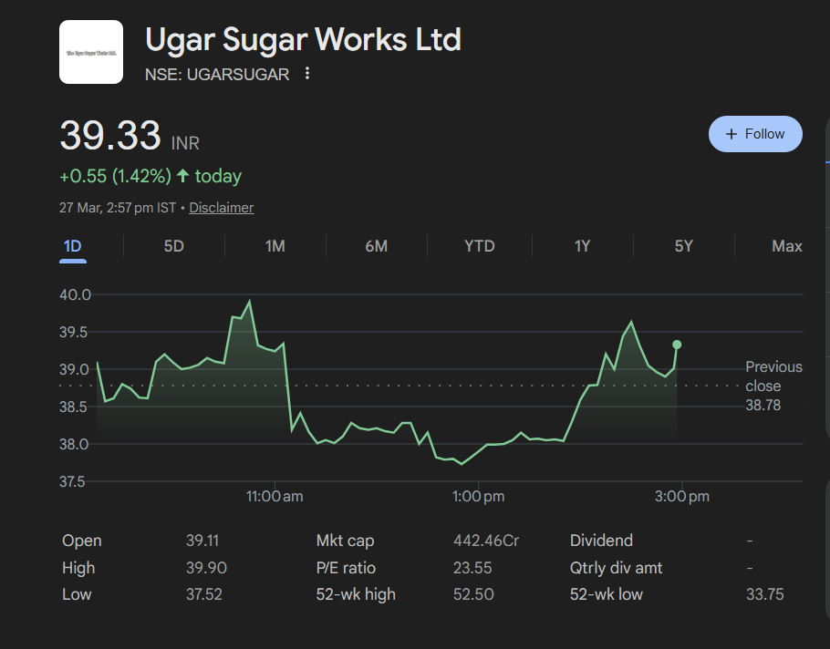

 | Scenario
 | Base Case |  | 1

 | Company Data
 | Particulars |  |  | Amount
 | No of Outstanding shares | Unit |  | 112,530,634
 | Face Value per share | Rs. |  | 1
 | Current Market Price | Rs. |  | 39.33
 | Market Capitalisation | INR in Lakh |  | 44,258.30

 | Assumptions
 | Perpetual Growth rate | % |  | 4.00%
 | 10 year Bond yield rate | % |  | 6.96%
 | Interest rate | % |  | 27.41%

 | Particular | Assumptions
 | Revenue Buildup | Using bottom-up, segment-wise method, I computed the weighted average revenue growth rate for the company. Based on historical data, I derived Base Case revenue growth rate of 9.86% (Calculations given in Worksheet 'Assumptions (Data)'. I then forecasted revenue using this base case as the anchor, applying a +5% Premium for the Bull Case (14.86%) supported by stronger Sugar and Distellary growth projections by CRISIL, and a -5% haircut for the Bear Case to adjust for downside risks such as a correction in sugar prices and a softening of distillery demand, Climate risk etc. Since historical peer revenue CAGRs for listed Indian sugar businesses range from -2.8% to +14.8%, I selected ±5% as my sensitivity band since it is a realistic and statistically sound swing around my base estimate.
 | Cost Buildup | I have assumed COGS, Salaries & Benefits, and Other SG&A Expenses to grow at the historical average growth rate, derived from FY2021–FY2025 data, and kept constant throughout the forecast period. These cost heads are operationally linked to revenue volume and have exhibited stable historical trends, making the average growth rate the most reliable anchor for projection.
 |  | D&A as a % of PP&E has ranged from 7.8% to 11.1% historically. In the forecast period, I have assumed it to gradually increase by 2% in every 3 years, starting at 8.3% in FY2026F, stepping up to 14.3% by FY2035F. Assuming that the company continues to invest in capacity expansion- particularly in the distillery and ethanol segment- the asset base deepens, leading to progressively higher depreciation charges as a proportion of PP&E over time.
 |  | I have normalized the interest rate to 9.4%, representing the most recently observed stable rate in FY2025, and held it constant throughout the forecast period. Interest expense in each forecast year is calculated as 9.4% applied to the opening debt balance from the Debt & Interest Schedule. This approach reflects a stable borrowing cost assumption absent any guidance on refinancing or new debt issuances.
 |  | Other Income (Expense) is assumed to grow at the average growth rate of Historical years, Keeping them constant going forward.
 |  | Historically the effective tax rate has been erratic- ranging from 6.6% to 30.6%, largely due to deferred tax adjustments and prior year losses. As the company stabilizes its profitability, I have assumed a gradual convergence (by 0.5% increase in every 2 years) towards the statutory corporate tax rate of 30%, stepping up from 27% in FY2026F to 29% by FY2035F, reflecting the normalization of tax provisions over time.
 | Balance Sheet Items | I have averaged historical Capex over FY2021–FY2025 and assumed it grows at 0.5% per year through the forecast period. The adjusted Capex is allocated to PP&E in proportion to the asset composition observed in FY2025 (the latest audited year). This reflects continued but measured capital investment in Ugar's distillery and ethanol expansion without assuming step-change capacity additions.
 |  | PP&E is forecasted using PP&E Schedule, Opening PP&E for each year is sourced from the closing balance of the prior year. Capex additions and depreciation charges are computed from the Depreciation Schedule in the Working Schedules tab.
 |  | Bank Deposits, Other Current Assets, Goodwill, Financial Assets, Other Non-Current Assets, Other Current & Non-Current Liabilities are held constant at their FY2025 audited levels throughout the forecast period As no company disclosures, management guidance, or industry data were available to support a directional assumption.
 |  | Non-Controlling Interest is assumed to be zero throughout the forecast period. Ugar Sugar Works does not have a material NCI position based on the latest audited financial statements, and no disclosures indicate any anticipated change in ownership structure.
 |  | The dividend payout ratio is assumed to grow at the historical average growth rate of 10.3% per year, consistent with the company's observed payout trajectory over FY2021–FY2025. Keeping it constant throughout the forecast period. Absolute dividend outflow is derived from PAT multiplied by the forecasted payout ratio in each year.
 |  | Equity Share Capital is held constant at the FY2025 level of ₹1125 Lakhs throughout the forecast period. The company has not announced any plans for a rights issue, ESOP dilution, or buyback, and the face value remains unchanged.
 |  | Cash and Cash Equivalents serve as the balancing figure in the Balance Sheet for each forecast year. The closing cash balance is derived from the Cash Flow Statement (Operating + Investing + Financing cash flows), ensuring internal consistency across all three financial statements.
 |  | DSO, DIO, and DPO are computed using a 365-day convention and assumed to grow at their respective historical average growth rates derived from FY2021–FY2025 data. These ratios are then used to back-calculate Trade Receivables, Inventory, and Trade Payables as a function of Revenue and COGS respectively in each forecast year.
 | Working Capital | Trade Receivables, Inventory, and Trade Payables are forecasted using the working capital turnover ratios (DSO, DIO, DPO) derived from historical averages. All three are grown at their historical average rates and are directly linked to the Revenue and COGS drivers in the Income Statement, maintaining operational consistency in working capital modeling.
 | Cash Flow Statement | Sale of PP&E: Set to zero throughout the forecast period. Ugar Sugar Works is in an active capex and capacity expansion phase. No asset disposals have been disclosed or are expected based on available information.
 |  | Advance Given for Investment: Set it to zero throughout the forecast period. No guidance or disclosure supports forecasting any new investment advances; held flat to avoid speculative assumptions.
 |  | Issuance/Redemption of Preference Shares (NCI): Has set it to zero throughout the forecast period. The company has no Non-Controlling Interest on its balance sheet, and no preference share activity has been disclosed.
 |  | Net Proceeds from Sale of Investments: Assumed to be zero throughout the forecast period. No investment disposal activity has been disclosed by the company or is expected based on available information.
 |  | Interest & Dividend Received: I have assumed it to grow at the historical average growth rate of prior years, consistent with the treatment applied to Other Income line items.
 | DCF Assumptions | Risk free rate: Set to 6.96%, derived from long-run nominal GDP growth expectations for India. This is consistent with India's historical real GDP trajectory of ~6–7% adjusted for long-term inflation normalization. Perpetual Growth Rate: Set at 4.0% to calculate Terminal value.
 |  | WACC: Derived it using CAPM method.
 |  | EV/EBITDA Exit Multiple: Sourced from the median peer comparable EV/EBITDA multiple derived from the Comps Valuation sheet, representing the most market-consistent terminal value anchor.

 | Back to Cover

Summary
Ugar Sugar Works Ltd.
Valuation Summary- Football Field

Football Field Data

 |  | Comps | DCF | 52-week High/Low | Market Consensus
 | High | 51.4 | 96.4 | 50.8 | 83.0
 | High | 51.4 | 96.4 | 50.8 | 83.0
 | Low | 6.8 | 48.6 | 36.0 | 35.0
 | Low | 6.8 | 48.6 | 36.0 | 35.0

Valuation Summary

Valuation Summary

 | Back to Cover

